NFI Regions
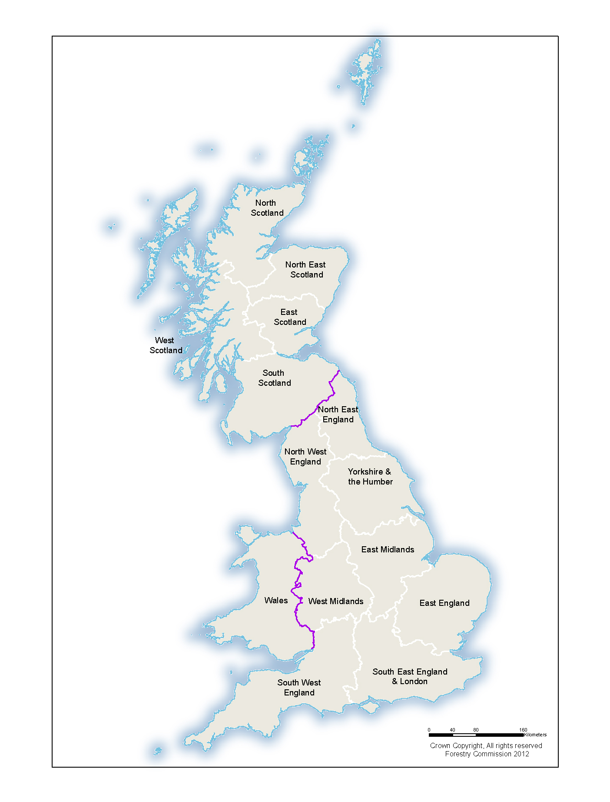
NFI reporting regions

